Sheet1
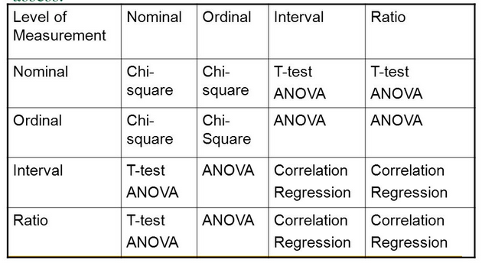
Dependent variable | Independent variable | No of independent variable | No Group of independent variable | Test
Binary | Categorical | 1 | 2 | z test, chi-square permutation test
Continous | Categorical | 1 | 2 | Permutation test significant of the mean
Continous | Categorical | 1 | >2 | Non-parametric ANOVA: Kruskal-Wallis test
Continous | Categorical | 1-2 | >2 | Test for equal proportion: Chi-square test
Continous | Continous |  | - | Correlation test?

